Wyndor
Wyndor Problem with Overtime (Separable Programming)

 | Unit Profit | Doors | Windows |  |  |  | Range Name | Cells
 | Regular | $300 | $500 |  |  |  | HoursAvailable | G8:G10
 | Overtime | $200 | $100 |  |  |  | HoursUsed | E8:E10
 |  |  |  | Hours |  | Hours | HoursUsedPerUnitProduced | C8:D10
 |  | Hours Used Per Unit Produced |  | Used |  | Available | Maximum | F14:G15
 | Plant 1 | 1 | 0 | 4 | <= | 4 | TotalProduced | C16:D16
 | Plant 2 | 0 | 2 | 6 | <= | 12 | TotalProfit | D18
 | Plant 3 | 3 | 2 | 18 | <= | 18 | UnitProfit | C4:D5
 |  |  |  |  |  |  | UnitsProduced | C14:D15
 |  | Units Produced |  |  | Maximum
 |  | Doors | Windows |  | Doors | Windows
 | Regular | 3 | 3 | <= | 3 | 3
 | Overtime | 1 | 0 | <= | 1 | 3
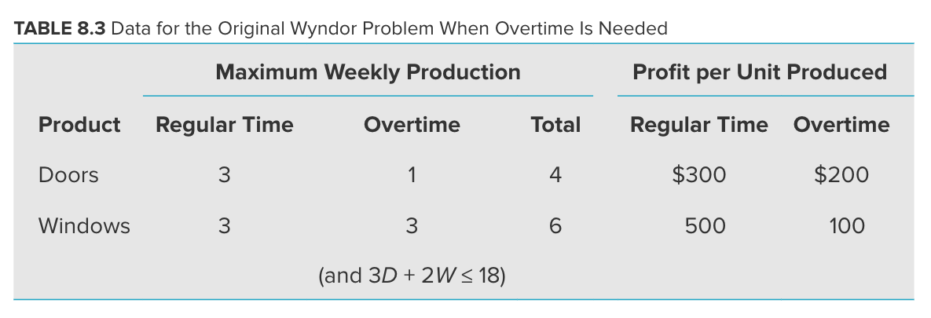
 | Total Produced | 4 | 3

 |  | Total Profit | $2,600

